5. Channels to Market
 | Channels to Market
5.1 | Does this schematic represent the channels to market? What changes would you make? Would you add or delete anything from this schematic? If so, what? |  | Feedback on Channels to Market Schematic

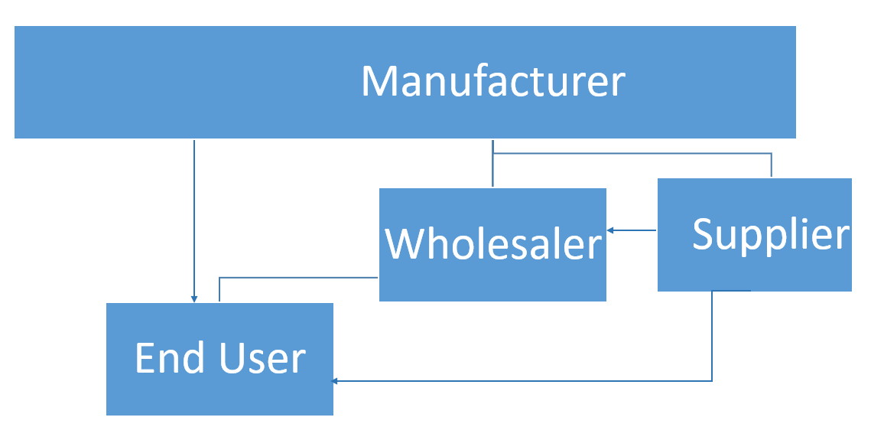

 |  | 5.2 | What are the estimates of the flow of business through each channel?

 |  |  | Manufacturer > End User | %
 |  |  | Manufacturer > Wholesaler > End User | %
 |  |  | Manufacturer > Supplier > End User | %
 |  |  | Manufacturer > Supplier > Wholesaler > End User | %
 |  |  |  | 0

